Sheet2
Segment | Sum of Profit | City | Sum of Profit | Sum of Sales | Sales
Consumer | 134,119 | New York City | 62036.9837 | 256368.161 | 2297200.8603
Corporate | 91,979 | Los Angeles | 30440.7579 | 175851.341
Home Office | 60,298.7 | Seattle | 29156.0967 | 119540.742
Grand Total | 286,397 | San Francisco | 17507.3854 | 112669.092 | Profit
 |  | Philadelphia | -13837.7674 | 109077.013 | 286397.0217
 |  | Houston | -10153.5485 | 64504.7604
 |  | Chicago | -6654.5688 | 48539.541
 |  | San Diego | 6377.196 | 47521.029
 |  | Grand Total | 114,873 | 934,072 | Quantity
Category | Sum of Profit |  |  |  | 37873
Technology | 145,455
Office Supplies | 122,491
Furniture | 18,451 | Mode | Sum of Profit | Sum of Sales
Grand Total | 286,397 | Standard Class | 164088.7875 | 1358215.743
 |  | Second Class | 57446.6354 | 459193.5694
 |  | First Class | 48969.8399 | 351428.4229
 |  | Same Day | 15891.7589 | 128363.125
 |  | Grand Total | 286,397 | 2,297,201

Region | Sum of Profit
West | 108,418
East | 91,523
South | 46,749
Central | 39,706
Grand Total | 286,397

Dashboard Picture
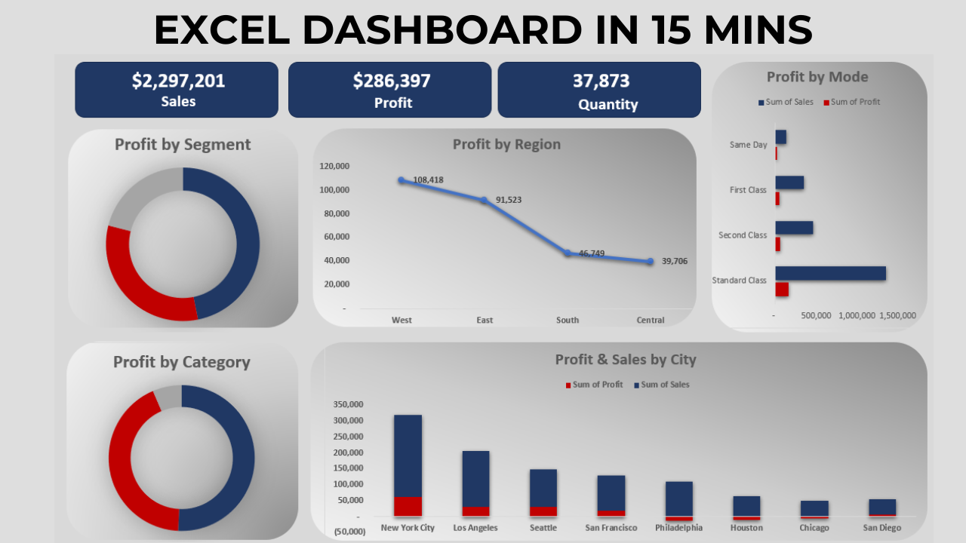

Sheet5
Profit Analysis Report

SALES
QUANTITY
PROFIT
 | Sum of Profit | Sum of Sales
Standard Class | 164088.7875 | 1358215.743
Second Class | 57446.6354 | 459193.5694
First Class | 48969.8399 | 351428.4229
Same Day | 15891.7589 | 128363.125
 | 2297200.8603 | 37873 | 286397.0217

Profit by Segment
 | Total
Consumer | 134119.2092
Corporate | 91979.134
Home Office | 60298.6785
Profit by Region
 | Total
West | 108,418
East | 91,523
South | 46,749
Central | 39,706

Profit By Category
 | Total
Technology | 145,455
Office Supplies | 122,491
Furniture | 18,451
 | Sum of Profit | Sum of Sales
New York City | 62036.9837 | 256368.161
Los Angeles | 30440.7579 | 175851.341
Seattle | 29156.0967 | 119540.742
San Francisco | 17507.3854 | 112669.092
Philadelphia | -13837.7674 | 109077.013
Houston | -10153.5485 | 64504.7604
Chicago | -6654.5688 | 48539.541
San Diego | 6377.196 | 47521.029

